1. Title Page
Instacart Basket Analysis

Project Name: Instacart Basket Analysis
Date: 02.13.2023
Analyst Name: David Losson

Contents:
Population Flow
Consistency checks
Wrangling steps
Column derivations
Visualizations
Recommendations

2. Population Flow
Title page

Population flow

Exclusion flag
Condition: max_order < 5
Obervations to be removed: 1,440,295
Final total count of order_products_all: 32,404,859

Orders_products_combined
Orders_products_merged
Orders_products_all

Total: 32,434,489
Total: 32,404,859

1.) The grey boxes in the first row of the population flow represent the original data sets as they were when you downloaded them. In the Total fields you need to add the count of the rows when you imported the data set into Jupyter.
2.) The second row of boxes (coloured) represents the data sets after you manipulated them, e.g., removed missing values and duplicates. In the Total fields you need to add the count of the rows after conducting these operations. This offers a visual oveview of how the data flows throughout the data consistency checks.
3.) The third row, where also the arrows are coloured, represents the merges you performed between the datasets. In the Total fields you need to add the count of the rows in the merged datasets, so that you end up with the final dataset (in the red box). Keep in mind the final dataset should be without exclusions (based on the exclusion flag).

3. Consistency checks
 |  |  |  | Title page
Consistency checks

Dataset | Missing values | Missing values treatment | Duplicates
orders | 206,209 missing values in the 'days_since_prior_order' column | Imputed a value of '0' for the missing values, since I assumed those were same-day orders (i.e. the previous order was made on the same day.) | There were no duplicates found.
products | 16 missing values in the 'product_name' column | Removed the missing values by creating a new dataframe which excluded those 16 missing values. | 5 duplicates were found and removed from the data set.

4. Wrangling steps
 |  |  |  | Title page
Wrangling steps

Columns dropped | Columns renamed | Columns' type changed | Comment/Reason
eval_set in df_ords |  |  | Irrelevant for this project.
product_id in df_ords |  |  | Dropped from the df_prods dataset

 |  | user_id in df_ords | Changed from mixed data type to string data.
 | order_dow in df_ords |  | Renamed to 'orders_dat_of_week'

5. Column derivations
 |  |  |  | Title page

Column derivations and aggregations

In this tab you should add tables below that the frequences of flags/label variables that you produced after deriving them. NB: don't do this for continuous variables, only for flags.
Dataset | New column | Column/s it was derived from | Conditions
orders_products_merged.pkl | price_range | prices | If price is more than $15 flagged as high-range product, if price is higher than $5 and less than or equal to $15 flagged as mid-range product. If prices are equal to or lower than $5 flagged as low-range product.
orders_products_merged.pkl | busiest_day | orders_day_of_week | If day is 0 it is flagged as busiest day, if it’s the 4th day it is flagged as least busiest. Anything else will be flagged as regularly busy
orders_products_merged.pkl | busiest_days | orders_day_of_week | If day is 0 or 1 flagged as busiest day. If day is 3 or 4 flagged as slowest day. Anything else will be flagged as regularly busy
orders_products_merged.pkl | busiest_period_of_day | order_hour_of_day | If hour is on the 1st quantile then it was flagged as 'Fewest orders', if hour is between quantile 1 and 3 flagged as 'average orders', if hour is on the 3rd quantile flagged as 'Most orders'.
orders_products_merged_update.pkl | loyalty_flag | Grouped by user_id and aggregated max values from order_number | If user has over 40 orders they are flagged as a Loyal customer. If user has more than 10 orders and less than or equal to 40 customers they are flagged as regular customer. If user has less than or equal to 10 orders they are flagged as new customer.
orders_products_merged_update.pkl | spending_flag | Grouped by user_id and aggregrated average values of prices | If user has spent less than $10 they are flagged as low spender. If user has spent $10 or more they are flagged as high spender.
orders_products_merged_update.pkl | order_frequency_flag | Grouped by user_id and aggregrated by the media of days_since_prior_order | If median values is more than 20, flagged as 'Non-frequent customer'. If median values between 10 and 20, flagged as Regular customer'. Finally, if values are less or equal to 10, then flagged as 'Frequent customer'.
orders_products_all.pkl | region | state | States were aggrupated into regions (https://simple.wikipedia.org/wiki/List_of_regions_of_the_United_States)
orders_products_all.pkl | exclusion flag | max_order | If max_order less than 5 flagged as 'low-activity'. Otherwise, flagged as 'high-activity'
df_high_activity_customers.pkl | profile | Based on columns: age, income, department_id, number_dependants, family_status, and order_hour_of_day | If someone was single and aged 18 or more, then she/he was flagged as a single adult If someone had one dependants and an income higher than $100000, then she/he was flagged as high-income small family If someone had two dependants and an income higher than $100000, then she/he was flagged as high-income medium family If someone had three dependants and an income higher than $100000, then she/he was flagged as high-income big family If someone had one dependant and an income below $100000, then she/he was flagged as low-income small family If someone had two dependants and an income below $100000, then she/he was flagged as low-income medium family If someone had three dependants and an income below $100000, then she/he was flagged as low-income big family If someone had any dependants and bought in the babies department, then she/he was flagged as babies at home If someone ordered before noon and bought in the breakfast department, then she/he was flagged as employees If someone's age was 65 or more and had an income higher than $100000, then she/he was flagged as retired wealthy If someone aged below 65 and had an income below $100000, then she/he was flagged as retired less money The other observations that are not included on the list where flagged as other

6. Visualizations
 |  |  |  |  |  | Title page

Visualisations

In this tab you should include all the visualtions from Exercises 4.9 and 4.10, alongside the questions from the project brief that they answer. Include any commentary on the relationship between different variables.

1. Which are the busiest days of the week and hours of the day are (i.e., the days and times with the most orders) in order to schedule ads at times when there are fewer orders.

Frequency of Instacart Orders Placed in A Day (by Hour on x-axis)

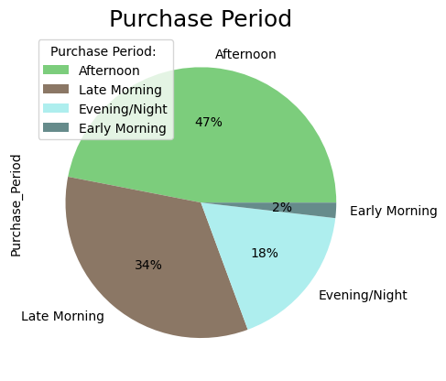
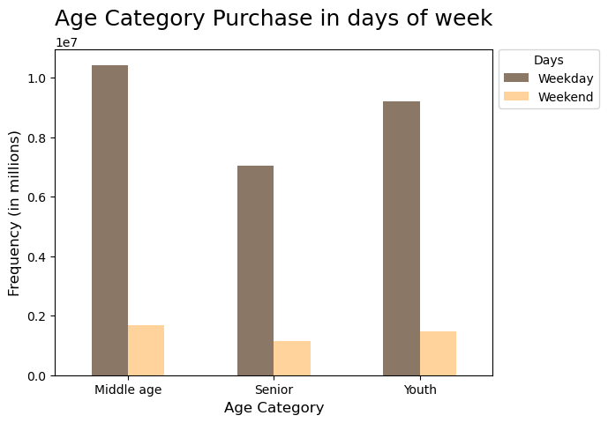

 | ^Fig 1. |  |  | ^Fig 2. |  |  | ^Fig 3.

2. What is the income profile of our clientele?


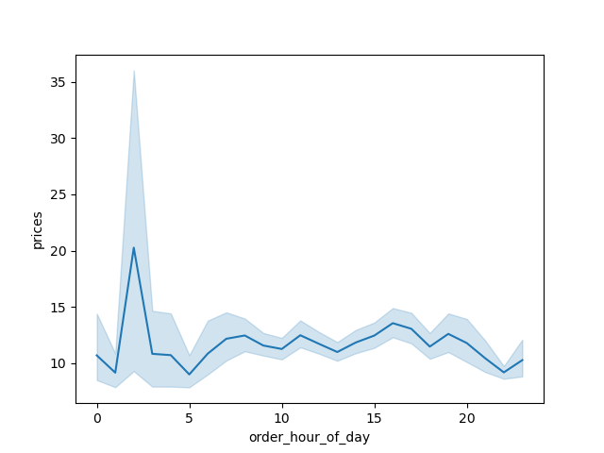
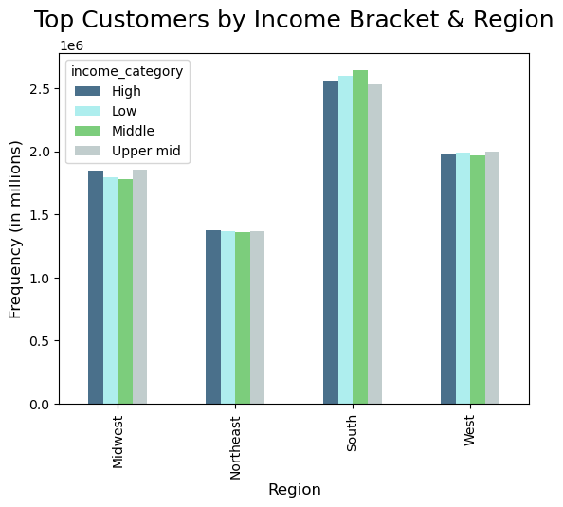

 | ^Fig 4.
 |  |  |  | ^Fig 5. |  |  |  | ^Fig 6.

3. What are the notable characteristics of our clients' households?
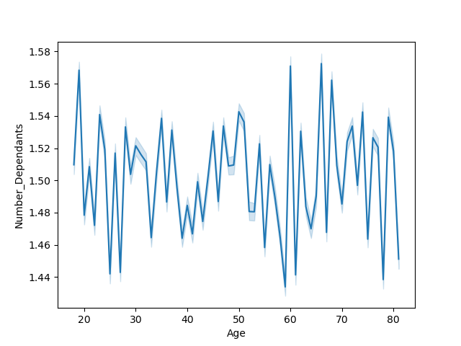

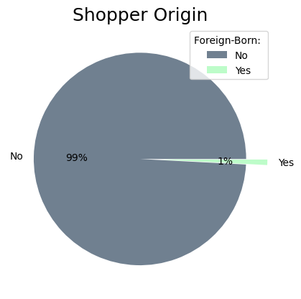
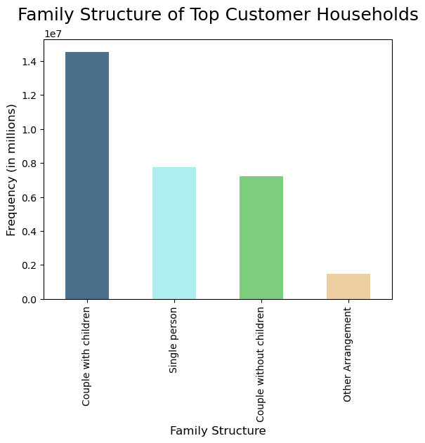

 |  |  | ^Fig 7. |  | ^Fig 8. |  |  | ^Fig 9.

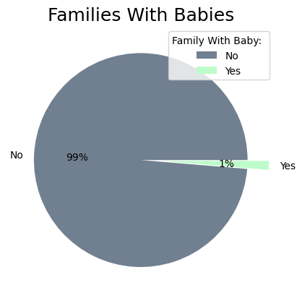
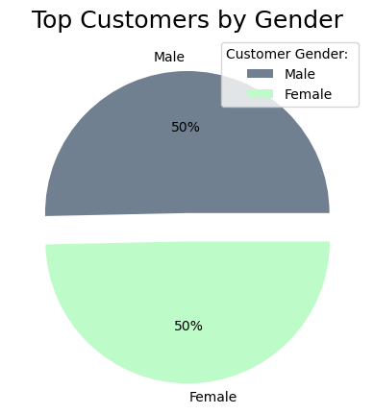
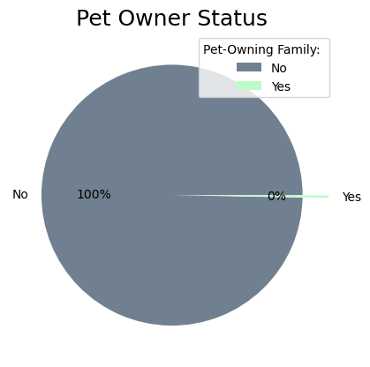

 |  |  |  |  | ^Fig 11. |  |  | ^Fig 12.
 |  | ^Fig 10.

7. Recommendations
 |  |  | Title page

Recommendations

In this tab you should include any recommendations you would made to Instcart in terms of their marketing strategy based on the questions posed in the brief. Every key question has been covered in the Tasks of the Exercises - here you need to add an item - a visualisation or table/crosstable that is showing the answer in the data, acompanied by a comment from you. Please, list the questions below and add the answer underneath.

Question |  | Answer
Question | Figure | Answer
Key Question 1 | 1,2 | Weekends account for a disproportionate amount of business transactions and, overall, daylight hours of the morning until 6 PM constitute the vast majority of sales and orders across all days of the week.
Key Question 2 | 4-6 | There are clear segments of customers making under $100,000, $100,000-$180,000, $180,000-$300,000, $300,000-$400,000, and $400,000+. Additionally, the balance of orders from each of these groups is relatively consistent from region-to-region with the greatest order volumes in the South and West.
Key Question 3 | 2023-07-12 | Amongst the most avid customers, most live in traditional family arrangments with a couple with children or as single persons. The breakout between male and female customers is nearly identical and most shoppers, based on their purchases of international products, are inclined to buy domestic.

